Project3445
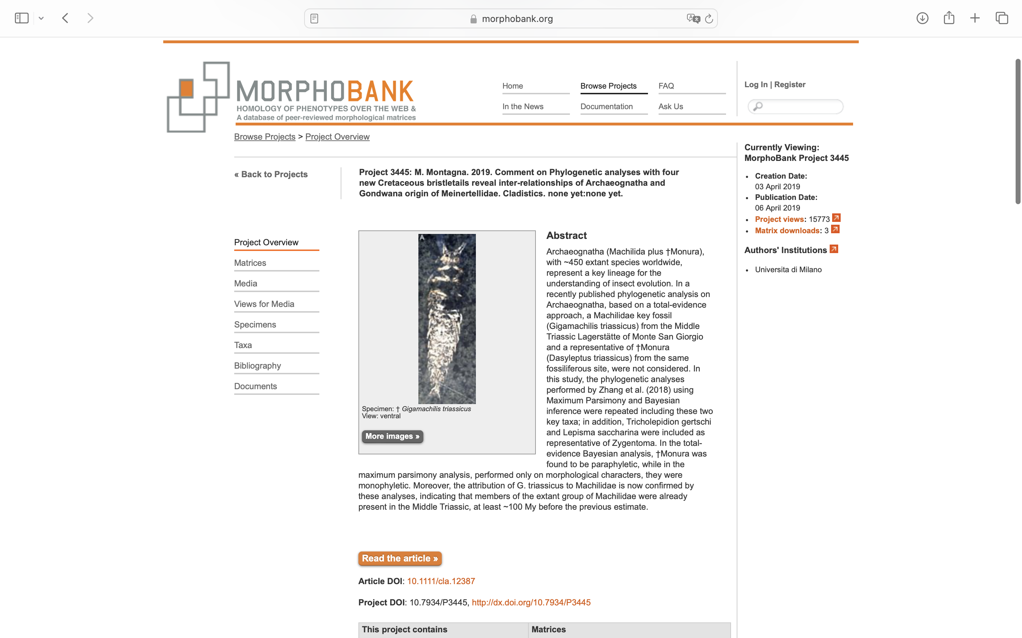
Charlabels | Character Pattern | Unseen States
[1] 'scales on body' | Neomorphic | NO
[2] 'scales on antenna' | NN;0=11;1=01;2=00
[3] 'scales on maxillary and labial palps, legs and stylets' | Neomorphic | NO
[4] 'antennae' | Transformational | NO
[5] 'compound eyes' | Neomorphic | NO
[6] 'relative position of compound eyes' | Transformational | YES
[7] 'eyes shape' | Transformational | YES
[8] 'lateral ocelli' | Neomorphic | NO
[9] 'ocelli shape, and position corresponding to eyes' | Transformational | YES
[10] 'mouthparts' | Transformational | YES
[11] 'maxillary palp' | Neomorphic | NO
[12] 'longitudinal projection (processus basalis)' | Neomorphic | NO
[13] 'hook-like projection' | Neomorphic | NO
[14] 'humps present on the first segment of maxillary palps' | NT?;0=0-;1=11;2=12
[15] 'shape of the distal segment of labial palp' | Transformational | YES
[16] 'mandible' | Transformational | YES
[17] 'shape of the thorax' | Transformational | YES
[18] 'sensory field on forefemur of male' | Neomorphic | NO
[19] 'coxal stylet' | NT?;0=11;1=12;2=0-
[20] 'number of tarsal segments' | Transformational | NO
[21] 'number of clows on tarsi' | Transformational | YES
[22] 'abdominal sternite' | Transformational | YES
[23] 'abdominal stylet' | NT?;0=0-;1=11;2=12
[24] 'annulation on abdominal stylet' | Neomorphic | NO
[25] 'eversible vesicle' | Transformational | YES
[26] 'lateral cerci' | Neomorphic | NO
[27] 'ovipositor' | Transformational | NO
[28] 'ovipositor type' | Transformational | YES
[29] 'gonapophysis VIII and IX' | Transformational | YES
[30] 'penis' | Transformational | YES
[31] 'penis aperture' | Transformational | YES
[32] 'paramere' | NT?;0=0-;1=11;2=12
[33] 'Paramera IX' | Transformational | YES
[34] 'Paramera IX tubular setae' | Transformational | YES

